Infographic
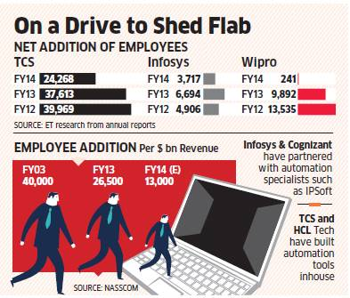
Source: Economic Times / 1 Sep, 2014

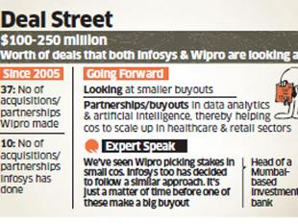

Source: Times of India, 1 Sep, 2014

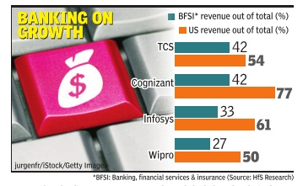

Source: Economic Times / 4 Sep, 2014

Source: Economic Times / 8 Sep, 2014

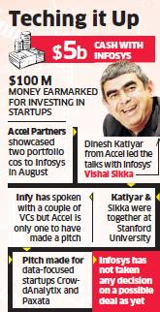

Source: Times of India, 8 Sept. 2014 | Source: Economic Times, 9 Sept. 2014
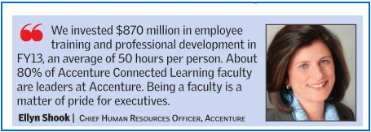
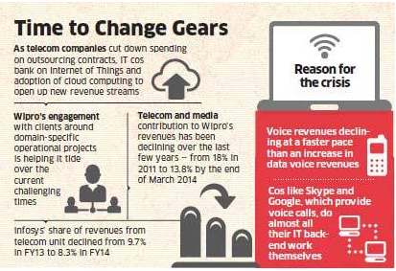

Cognizant’s TriZetto buy to give it strong purchase in US healthcare market |  | With the TriZetto buy, Cognizant sets new benchmark in deal size
Source : Financial Express / 16 Sep 2014 |  | Source: Business Line / 15 Sep 2014
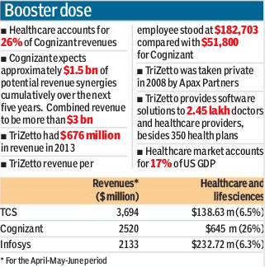
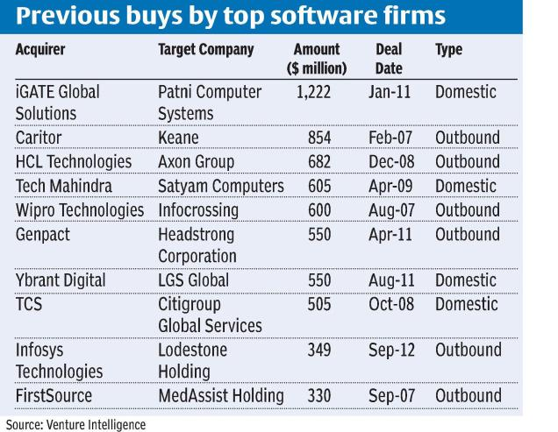

IBM Innovation Centre in Bangalore to partner with 100 big data and Internet of Things startups in India |  |  | Cognizant's US Deal may Flag off IT Race for $20-b Obamacare Pie
Source : Economic Times / 17 Sep 2014 |  |  | Source : Economic Times / 22 Sep 2014
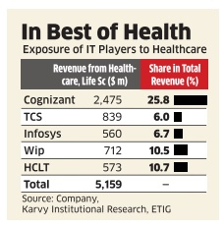
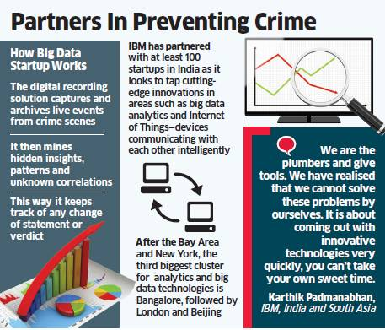

With eye on future, Wipro staff recast gets underway
Source: The Economic Times / 30 September 2014

